Catering Invoice
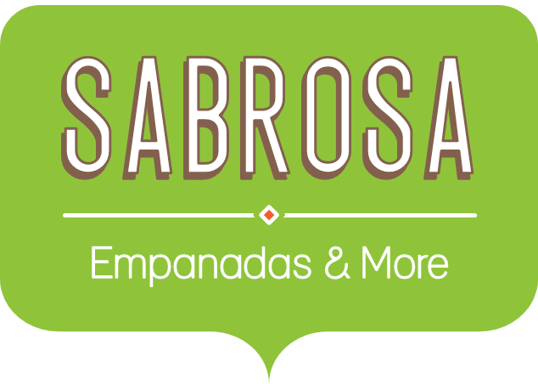 | Catering Invoice Sabrosa Empanadas & More 1202 Biscayne Bay Drive Orlando, FL 32804 | Invoice #: 5686B Date: 05/10/16

SERVICE | DESCRIPTION | LINE TOTAL
Menu Order | Food & beverage | $572.81
Paper Goods | Plates, utensils, cups | $241.91
Rental Equipment | Tables, chairs, linens | $249.95
Service Fee | 18% of food & beverage | $103.11
TOTAL |  | $1,167.78

